Instruction
Instructions

To claim your reimbursement, please follow the steps:
1. Fill up the relevant month's expenditure
2. Email the accounts sheet of the month to Mrs Tay-Chen Sue Ann (chensa@hci.edu.sg), CIPC (cip_council@student.hci.edu.sg) and cc your teacher
 | mentor at the end of every month.
3. Paste your receipts onto a white piece of paper and label it according to the index on the accounts sheet. Follow the format shown below.
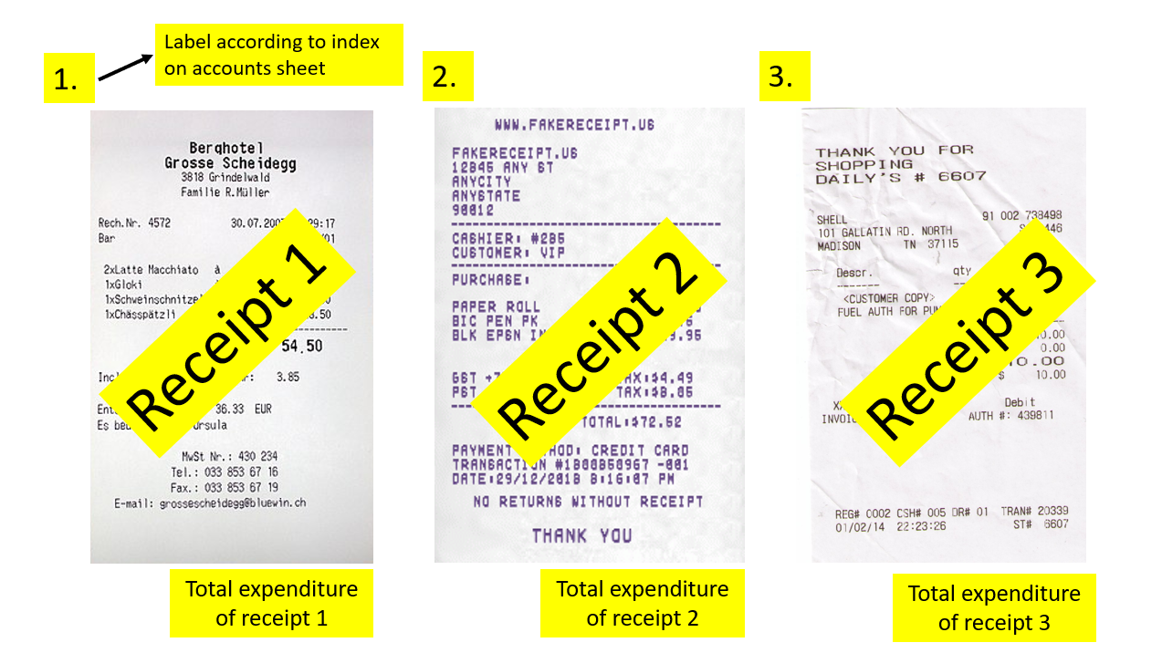
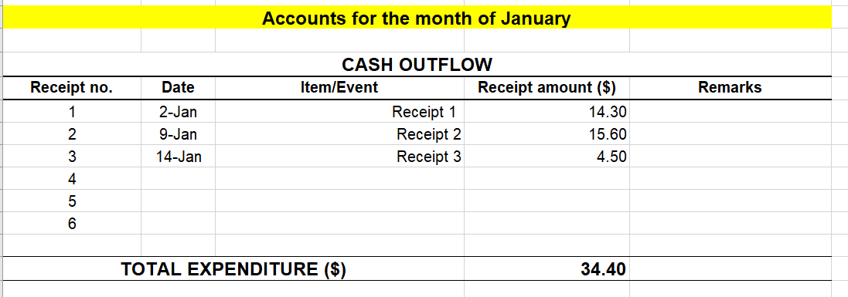

4. Submit a hardcopy of the accounts for the month and original receipts to Mrs Tay's pigeonhole at the end of each month.
Important: Receipts for each calendar month's expenditure must be submitted by the end of the month. Late submission will not be entertained.
 |  | Claims of receipts can only occur from January to October

